INSTRUCTIONS
SUPPLIER AUDIT CRITERIA

FILLING INSTRUCTIONS

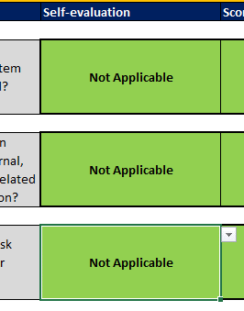 1. Score in the GREEN FIELDS according to criteria based on the table in item 3.
2. All information must be readable, and this report returned to Oxiteno S.A. Indústria e Comércio.
3. This information must correspond to the manufacturing plant of the supplier in question.
Selected | Punctuation | Scoring Criteria for Assessing Compliance with Requirements
(Yes) | 4 | REQUIREMENTS FULLY MET |  | Fully existing and documented practice.
(In implementation) | 3 | REQUIREMENTS PARTIALLY MET |  | Partially existing and undocumented practice
(No) | 2 | REQUIREMENTS POORLY MET |  | Non-existent practice. Requirements not met.
Not applicable * | 4 | NOT APPLICABLE |  | Not applicable (Please explain N.A. items)
* Please explain if the requirement is not applicable
CLASSIFICATION
Between: 0 - 29% - POOR |  |  | Requires action plan with deadlines established in the "Actions (Action Plan)" tab, will not be allowed to supply until action is taken.
Between: 30 - 49% - REGULAR |  |  | Requires action plan with deadlines established in the "Actions (Action Plan)" tab and is allowed to supply with restrictions.
Between: 50 - 79% - GOOD |  |  | Suppliers rated Good have points to be improved. They can usually supply with follow-up.
Between: 80 - 100% - EXCELLENT |  |  | Suppliers that meet 80% or more of the requirements are considered to be of an Excellent level, being able to supply without restrictions.

RESULT
1.ISO 9001 | 1
2.IATF 16949
3.ISO 14001
EVALUATION RESULT |  |  |  | SELF-EVALUATION
MAIN POINTS | MAXIMUM POINT | SELF-EVALUATION
 |  | POINTS OBTAINED | ATTENDANCE (%)
1.ISO 9001 | 96 | - | DOES NOT HAVE CERTIFICATION FOR THIS CRITERION
2.IATF 16949 | 64 | - | DOES NOT HAVE CERTIFICATION FOR THIS CRITERION
3.ISO 14001 | 72 | - | DOES NOT HAVE CERTIFICATION FOR THIS CRITERION
4.ISO 22716 | 80 | - | DOES NOT HAVE CERTIFICATION FOR THIS CRITERION
5.ISO 45001 | 60 | - | DOES NOT HAVE CERTIFICATION FOR THIS CRITERION
6.FSSC 22000 | 68 | - | DOES NOT HAVE CERTIFICATION FOR THIS CRITERION
 |  |  | 0%

